Sheet1
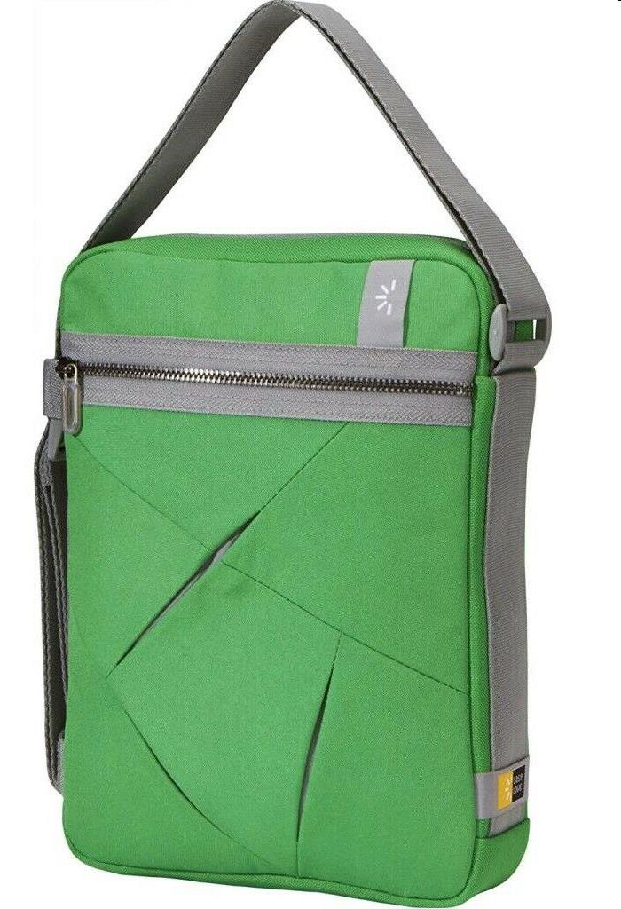
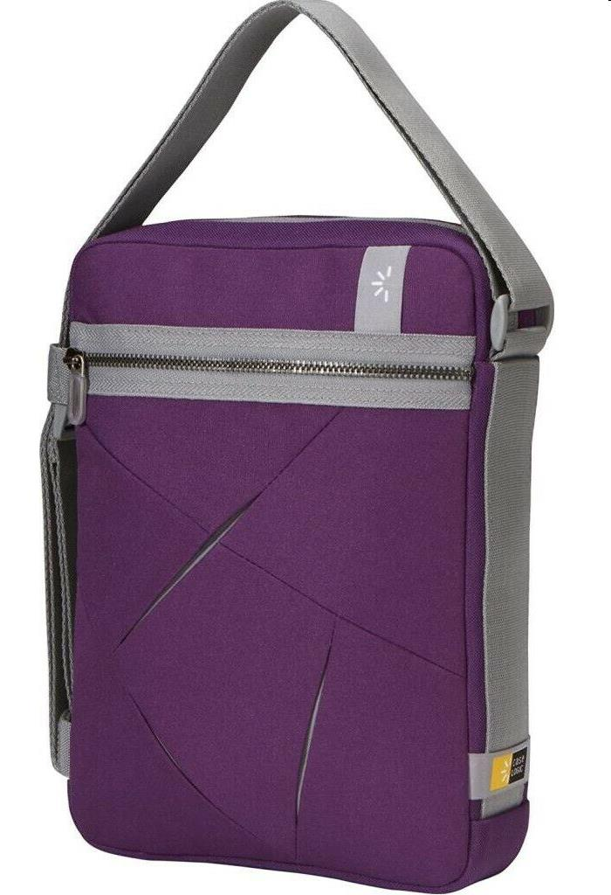
Picture | Item code | Description | Extra information | Restriction | Stock | Sales price EXW | Retail price | Barcode | Quantity PU | Quantity pallet | Pallet | Origin | Customs code | Item weight | Languages on package | Group
 | 20621 | Case Logic, Notebook Cover Bag, 28x22x7cm Green | ULA-110 GREEN |  | 2008 | 2.69 | 9.99 | 085854218740 | 4 | 200 | Europallet 120x80 | CN | 4202129190 | 300 |  | Case Logic
 | 20622 | Case Logic, Notebook Cover Bag, 28x22x7cm Purple | ULA-110 PURPLE |  | 1094 | 2.69 | 9.99 | 085854218757 | 4 | 250 | Europallet 120x80 | CN | 4202129190 | 300 |  | Case Logic

